Guide
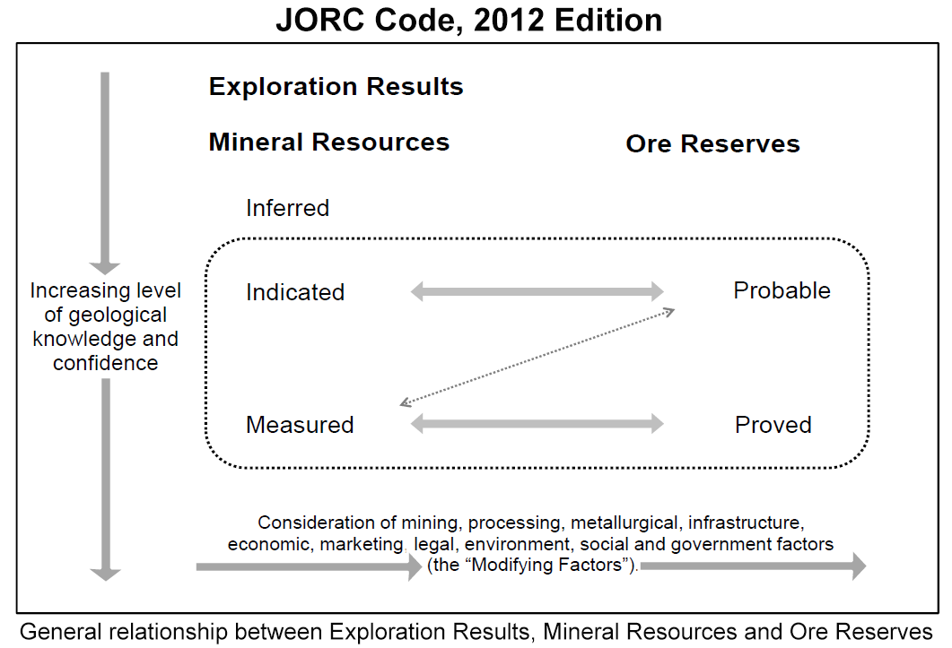
Guide to Mineral Resources and Ore Reserves Return
Guide to MTA Approved Form 32, Regulations 83, 84
The form is used to describe Mineral Resources (MR) and Ore Reserves (OR) estimates defined for each individual deposit of metallic and non-metallic commodities.

Deposit details
Deposit name: | The name of the Deposit containing the mineral resources reported herein. Use one form for each deposit.
Project name: | The name of the Project containing the deposit reported herein
Operator (organisation): | Majority owner or manager
Contact name: | Person who completed this form
Contact phone: | Contact details for the person who completed this form
Contact email: | Contact details for the person who completed this form
Date of MR/OR estimation: | The date that this resource or reserve was estimated; date of historical resource estimate if known
Estimation author or organisation: | The person or company responsible to the estimation reported herein. Can be suitably qualified employee or independent consultant
Mineral titles: | List all the titles covering all or a portion of the mineral resources reported herein: one title number per cell
Public domain? | Indicate whether the information reported is released to the stock exchange or the public, or is confidential
Estimation method: | Polygonal and cross-sectional can only define Inferred category mineral resources; Indicated, Measured and Reserves require geostatistical methods.
Reporting code used: | Public companies in Australia or Canada must follow JORC 2012 or CIM reporting guidelines. Private entities or other may use more informal means. Historical refers to any past resource or reserves estimation that has not been updated and reported according to JORC or CIM guidelines.

JORC | The Australasian Code for Reporting of Exploration Results, Mineral Resources and Ore Reserves prepared by the Joint Ore Reserves Committee of the Australasian Institute of Mining and Metallurgy, Austrlain Institute of Geoscientists and Mineral Council of Australia. Amended 2012. See diagram below
CIM (NI43-101) | Definition Standards on Mineral Resources and Reserves, prepared by Canadian Institute of Mining, Metallurgy and Petroleum, establish definitions and guidance on the definitions for mineral resources, mineral reserves, and mining studies used in Canada; as used by the National Instruemtn 43-101 Standards of Disclosure for Mineral Projects.
Historical | Resource or reserves reported before JORC stardards were introduced (1989). Should be described using original terminology
Informal | Estimation outside JORC/CIM reporting standards, eg 'back of envelope'
Type of return | Tick check box for indicated mineral resources or ore reserves.
Major commodity: | Main economic commodity
Minor commodities: | By-product or credit commodity
Deposit type: | Vein, lode, pegmatite, SEDEX, VMS, IOCG, unconformity, carbonate-hosted, etc

Mineral Resources (example of completed form provided)
Commodity | Au, Cu, P2O5, etc in separate columns, under Grade and also Metal Content (if relevant)
Grade | average grade for the relevant commodity, entered against the relevant resource category (inferred, indicated, measured)
Units | Grade units = g/t, ppm, %; Contained metal units = oz, lb, tonnes, entered in the appropriate column for the designated commodity
Tonnes | tonnage of material at the average grade
Metal content | if already reported, the contained commodity [= tonnage x grade ¸ conversion factor], entered against the relevant resource category (inferred, indicated, measured). Leave blank if unknown.
Resource category | Mineral Resources are sub-divided, in order of increasing geological confidence, into Inferred, Indicated and Measured categories. An Inferred Mineral Resource has a lower level of confidence than that applied to an Indicated Mineral Resource. An Indicated Mineral Resource has a higher level of confidence than an Inferred Mineral Resource but has a lower level of confidence than a Measured Mineral Resource
Inferred | if Inferred resources are described by material type (such as oxide, sulfide or other) insert data in these lines, otherwise report total only
oxide
transitional
primary/sulphide
Total Inferred
Indicated | if Indicated resources are described by material type (such as oxide, sulfide or other) insert data in these lines, otherwise report total only
oxide
transitional
primary/sulphide
Total Indicated
Measured | if Indicated resources are described by material type (such as oxide, sulfide or other) insert data in these lines, otherwise report total only
oxide
transitional
primary/sulphide
Total Measured
TOTAL Mineral Resources | Total MR can include Inferred category mineral resources.

Ore Reserves
Reserve category | An Ore Reserve is the economically mineable part of a Measured and/or Indicated Mineral Resource. Ore Reserves are sub-divided in order of increasing confidence into Probable Ore Reserves and Proved Ore Reserves. A Probable Ore Reserve has a lower level of confidence than a Proved Ore Reserve. The Ore Reserves statement must indicate whether the OR are additioned to the Mineral Resources, or a subset of Mineral Resources.
Probable | if Probable reserves are described by material type (such as oxide, sulfide or other) insert data in these lines, otherwise report total only
oxide or other
transitional or other
primary or other
Total Probable
Proved | if Proved reserves are described by material type (such as oxide, sulfide or other) insert data in these lines, otherwise report total only
oxide or other
transitional or other
primary or other
Total Proved
TOTAL Ore Reserves | Ore Reserves can be reported as additional to the Mineral Resources, or as a subset of Mineral Resources.

